Title
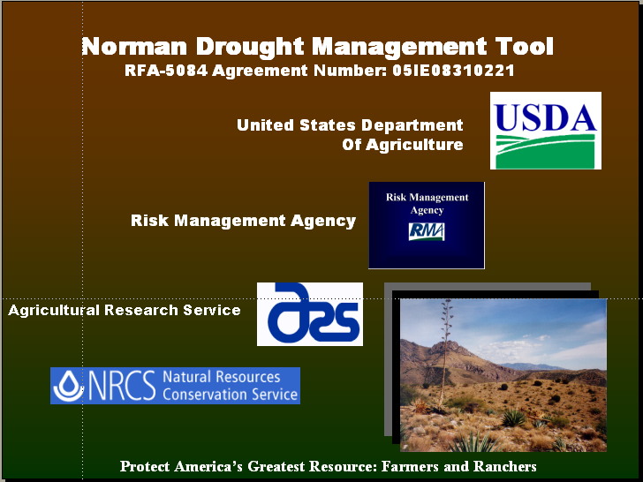

DROUGHT MANAGEMENT CALCULATOR
CALCULATOR

Livestock producers frequently face the challenges of balancing herd size and forage health in drought conditions. Previous season and in-season precipitation are two of the dominating factors impacting forage health and production. Grazing forages which survive drought conditions need time to recover, and time with reduced grazing pressure. The Drought Management Calculator is designed to assist the producer in balancing herd size and economic benefit with plant health and long-term sustainability.

Instructions
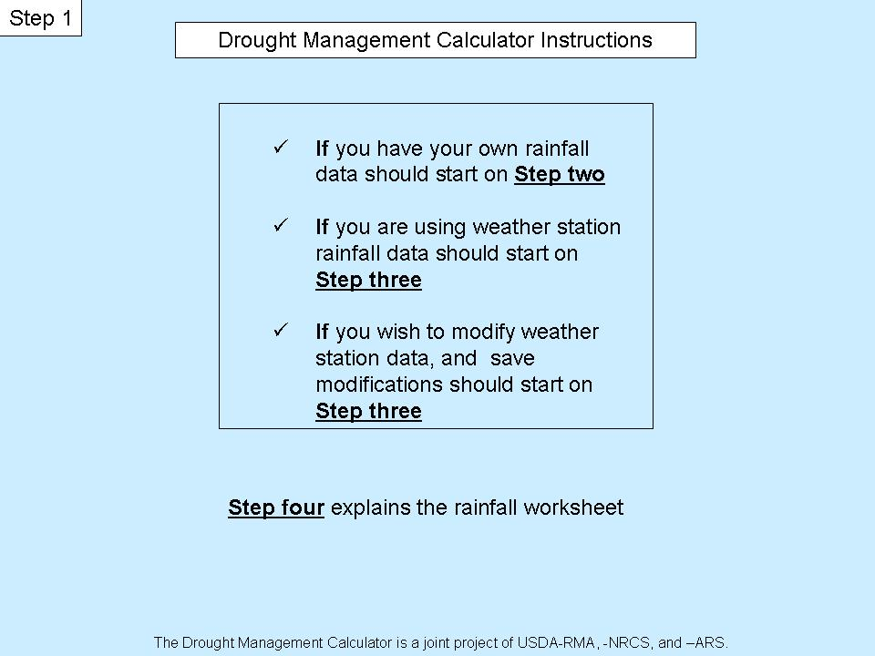
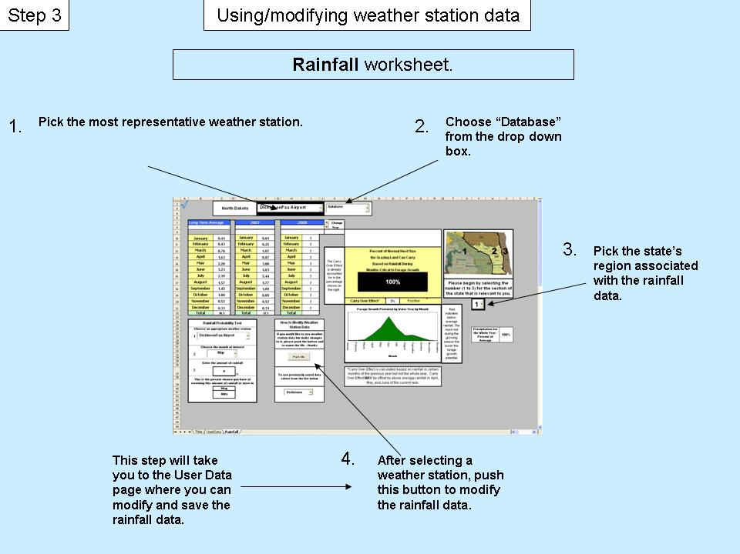

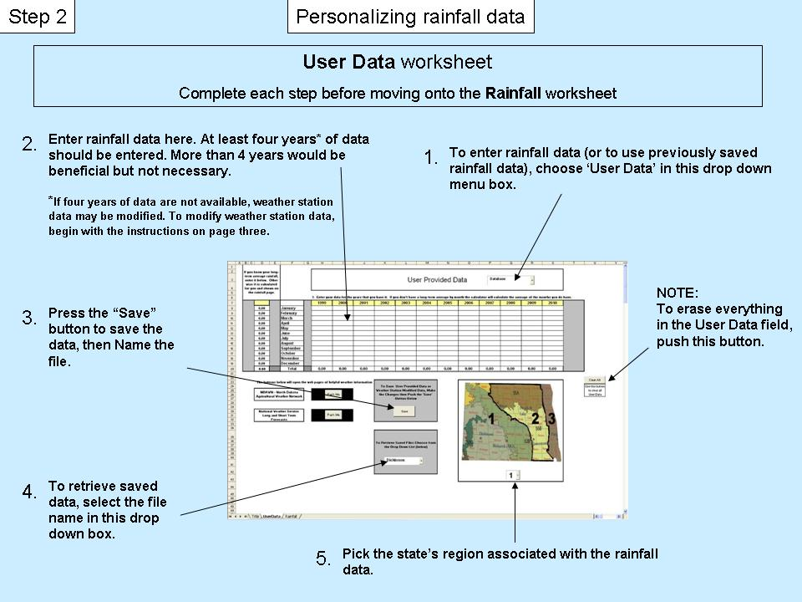
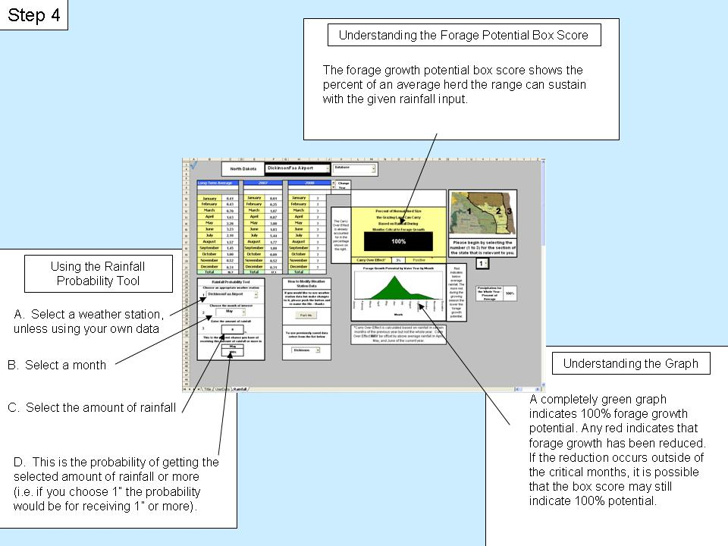

Help
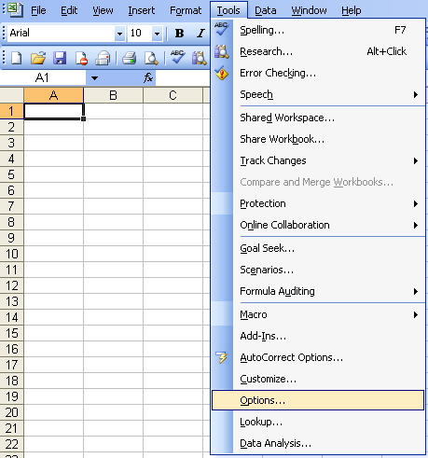
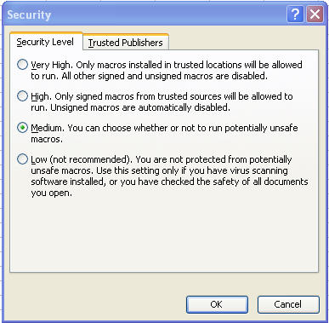
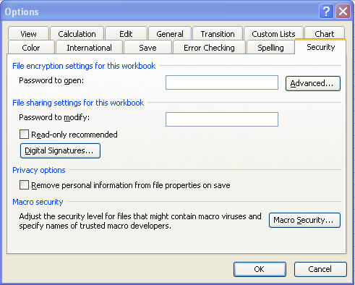
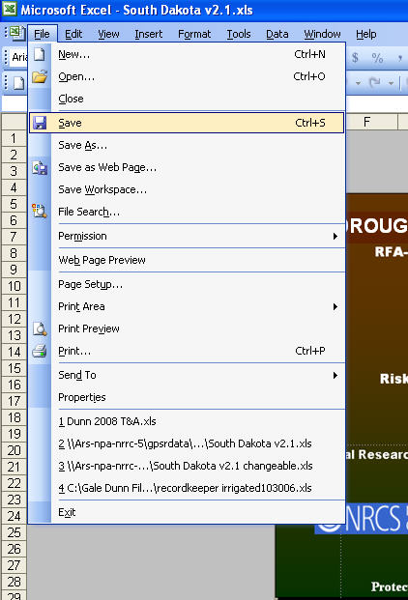
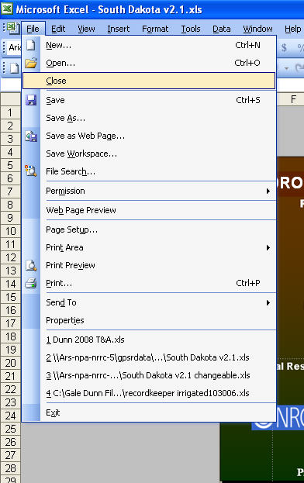
If you are having trouble getting the calculator to work your Macro Security settings maybe too high. Follow the steps listed below to change your Macro Security setting.

1. On the tool bar above click on "Tools".
2. The click the "Options" menu item.
3. Next click on the "Security" tab.
4. On the "Security" page look for the box that says "Macro Security" and click on it.
5. You will have a choice between "Very High", "High", "Medium", and "Low".
6. Choose "Medium" - as baby bear said, "It's just right!".
7. Next save the calculator and then exit the Calculator.
** You must exit and re-open the calculator for the change in "Macro Security" to take effect. **

UserData
If you know your long-term average rainfall, enter it below. Other wise it is calculated for you and shown on the rainfall page. |  |  |  |  |  |  |  |  |  |  |  |  |  |  |  |  |  |  | If you choose to use your own rainfall
 |  |  |  | User Provided Data

 |  |  |  |  |  |  |  |  |  |  |  |  |  |  |  |  |  |  | data, select "User Provided Data"

 |  |  |  | 1. Enter your data for the years that you have it. If you don't have a long-term average by month the calculator will calculate the average of the months you do have. |  |  |  |  |  |  |  |  |  |  |  |  |  |  |  |  | ? | 0.00
 |  |  | ,1 | 1999 | 2000 | 2001 | 2002 | 2003 | 2004 | 2005 | 2006 | 2007 | 2008 | 2009 | 2010 |  |  |  |  |  | ? | 0.00
 | 0.10 | January | , | 1.1 | 0.35 | 0.08 | 0.17 | 0.4 | 1.08 | 0.85 | 0.52 | 0.25 | ? | ? | ? | 0.53 |  |  |  |  | ? | 0.00
 | 0.10 | February |  | 0.32 | 1.5 | 0.42 | 0.06 | 0.14 | 0.33 | 0.13 | 0.59 | 0.67 | ? | ? | ? | 0.46 |  |  |  |  | ? | 0.00
 | 0.10 | March |  | 0.48 | 0.86 | 0.12 | 0.33 | 0.78 | 3.79 | 0 | 0.85 | 2.28 | ? | ? | ? | 1.05 |  |  |  |  | ? | 0.00
 | 0.10 | April |  | 2.43 | 1.31 | 1.05 | 1.52 | 1.01 | 0.5 | 0.87 | 0.83 | 0.46 | ? | ? | ? | 1.11 |  |  |  |  | ? | 0.00
 | 0.10 | May |  | 4.91 | 1.03 | 2.43 | 1.53 | 2.32 | 7.29 | 1.58 | 3.55 | 5.74 | ? | ? | ? | 3.38 |  |  |  |  | ? | 0.00
 | 0.10 | June |  | 3.5 | 7.41 | 4.25 | 3.03 | 2.93 | 1.76 | 5 | 1.73 | 3.87 | ? | ? | ? | 3.72 |  |  |  |  | ? | 0.00
 | 0.10 | July |  | 2.96 | 2.66 | 5.03 | 4.75 | 5.55 | 2.54 | 3.57 | 0.76 | 3.94 | ? | ? | ? | 3.53 |  |  |  |  | ? | 0.00
 | 0.10 | August |  | 3.75 | 4.42 | 3.08 | 4.15 | 3.12 | 4.75 | 0.84 | 1.26 | 2.64 | ? | ? | ? | 3.11 |  |  |  |  | ? | 0.00
 | 0.10 | September |  | 2.34 | 1.18 | 0.77 | 0.79 | 0.9 | 3.69 | 0.96 | 1.32 | 1.87 | ? | ? | ? | 1.54 |  |  |  |  | ? | 0.00
 | 0.10 | October |  | 0 | 2.9 | 2.24 | 0.99 | 0.57 | 0.88 | 1.84 | 1.71 | 1.32 | ? | ? | ? | 1.38 |  |  |  |  | ? | 0.00
 | 0.10 | November |  | 0 | 2.64 | 0.15 | 0.36 | 0.3 | 0.08 | 1.9 | 0.75 | 0.75 | ? | ? | ? | 0.77
 | 0.10 | December |  | 0.26 | 0.61 | 0.54 | 0.84 | 0.68 | 0.42 | 0.9 | 0.55 | 0.55 | ? | ? | ? | 0.59
 | 1.20 | Total |  | 22.05 | 26.87 | 20.16 | 18.52 | 18.70 | 27.11 | 18.44 | 14.42 | 24.34 | 0.00 | 0.00 | 0.00 | 15.88

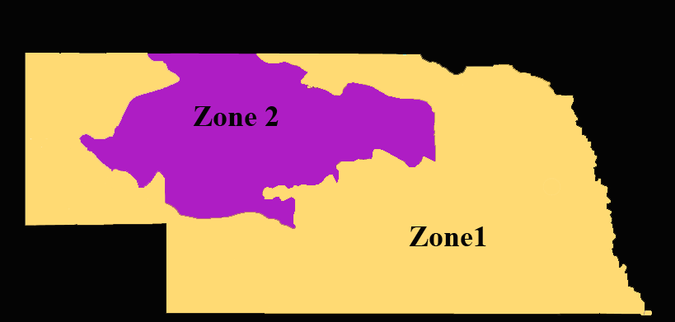
 | FALSE | FALSE |  | FALSE |  | FALSE |  | FALSE |  | FALSE |  | FALSE |  | FALSE |  | FALSE | FALSE | FALSE |  | FALSE
 | The buttons below will open the web pages of helpful weather information sources. |  |  |  |  |  | To Save User Provided Data or Weather Station Modified Data, Make the Changes then Push the 'Save' Button Below

 | High Plains Regional Climate Center
 |  |  |  |  | http://www.hprcc.unl.edu/data/historical/index.php?state=ne&action=select_state&submit=Select+State

 | National Weather Service Long and Short Term Forecasts
 |  |  |  |  | http://www.weather.gov/view/states.php?state=NE&map=on

 |  |  |  |  |  | When naming files use letters or letters and numbers but not numbers alone. | To Retrieve Saved Files Choose from the Drop Down List (below)
 | Use a ? where ever there is missing rainfall data.

 |  |  |  |  |  |  | 0

1.20
Long-term
21.48875
FALSE | 22.05 | 26.87 |  | 20.16 |  | 18.52 |  |  |  | 27.11 |  | 18.44 |  | 14.42 |  | 24.34
21.48875

January | 0.53

 |  | User Provided Data

Rainfall
 |  |  |  |  |  |  |  | ?
 | Nebraska

Long-Term Average |  |  | 2002 |  |  | 2003 |  |  | Change
 |  |  |  |  |  |  |  |  | Year
 |  |  | 2001 | 2002 |  | 2002 | 2003
January | 0.61 | 0.49 | January | 0.32 |  | January | 0.49
February | 0.76 | 0.71 | February | 0.38 |  | February | 0.71
March | 1.79 | 0.88 | March | 0.64 |  | March | 0.88 |  | The Carry Over Effect is already accounted for in the percentage shown on the right. | Percent of Normal Herd Size
April | 2.62 | 2.01 | April | 2.16 |  | April | 2.01 |  |  | the Grazing Land Can Carry
May | 3.54 | 2.86 | May | 1.52 |  | May | 2.86 |  |  |  |  | Based on Rainfall During
June | 3.95 | 4.8 | June | 2.35 |  | June | 4.80 |  |  |  | Months Critcal to Forage Growth
July | 3.30 |  | July | 0.67 |  | July | 3.29 |  |  |  | >100%
August | 3.44 | 0.99 | August | 3.88 |  | August | 0.99 |  |  |  |  |  |  |  |  | Please begin by selecting the number (1 to 3) for the section of the state that is relevant to you.
September | 2.34 | 2.04 | September | 1.57 |  | September | 2.04
October | 1.60 | 0.77 | October | 4.08 |  | October | 0.77
November | 1.01 | 1.25 | November | 0.30 |  | November | 1.25 |  |  | Carry Over Effect* |  |  | -9% | Negative
Forage Growth Potential by Water Year by Month
 | long
0.77 | 0.00059754910154
LT | 0.0025975093597
 | 0.025068770144
0.00 | 0.14570732244
0.00 | 0.59153060262
0.06 | 1.2953031007
0.21 | 0.44378284037
0.82 | 0.10099476652
1.19 | 0.099785200159
0.50
0.39
0.13
Forage Growth Potential by Water Year by Month
 | long
January | 0.000828 | 0.00059754910154
February | 0.003096 | 0.0025975093597
March | 0.056771 | 0.025068770144
April | 0.211452 | 0.14570732244
May | 0.815152 | 0.59153060262
June | 1.186729 | 1.2953031007
July | 0.495579 | 0.44378284037
August | 0.390703 | 0.10099476652
September | 0.127431 | 0.099785200159
October | 0.046652 | 0.020165829031
November | 0.002743 | 0.0030487199058
December | 0.000950 | 0.00014633855548
December | 0.70 | 0.12 | December | 0.07 |  | December | 0.12 |  |  |  |  |  |  |  | Red indicates below average rainfall. The more red during the growing season the lower the forage growth potential.
Total | 25.7 |  | Total | 17.9 | 5 | Total | 20.2 | 1

Rainfall Probability Tool |  |  |  |  | How to Modify Weather Station Data |  |  |  |  |  |  |  |  |  |  |  |  |  |  | 8
1
Choose an appropriate weather station |  |  |  |  |  |  |  |  |  |  |  |  |  |  |  |  | Precipitation for the Whole Year - Percent of Average | 100%
 |  |  |  |  | If you would like to use weather station data but make changes to it, please push the button and re-name the file - thanks
1900-01-01

2
Choose the month of interest |  |  |  |  |  |  |  |  |  |  |  |  |  |  |  |  | Inches Above or Below Average at this Time. | -5.45 | Inches

3
 | 0
Enter the amount of rainfall

 | 0 |  | in. |  | To use previously saved data select from the list below |  |  |  |  | *Carry Over Effect is calculated based on rainfall in certain months of the previous year but not the whole year. Carry Over Effect MAY be offset by above average rainfall in April, May, and June of the current year.
This is the percent chance you have of receiving this amount of rainfall or more in

 | July
 | 82%

 |  |  |  |  |  |  |  |  | 1

